Daily Power Station Chart_15-01
Plant_13/03/2025Chart

Plant:odco1 |  |  | Installed Capacity:111.180kWp
Today Yield(kWh):318.400kWh |  | Today Earning:126160.000TND |  | Today Full Load Hours(h):2.86h

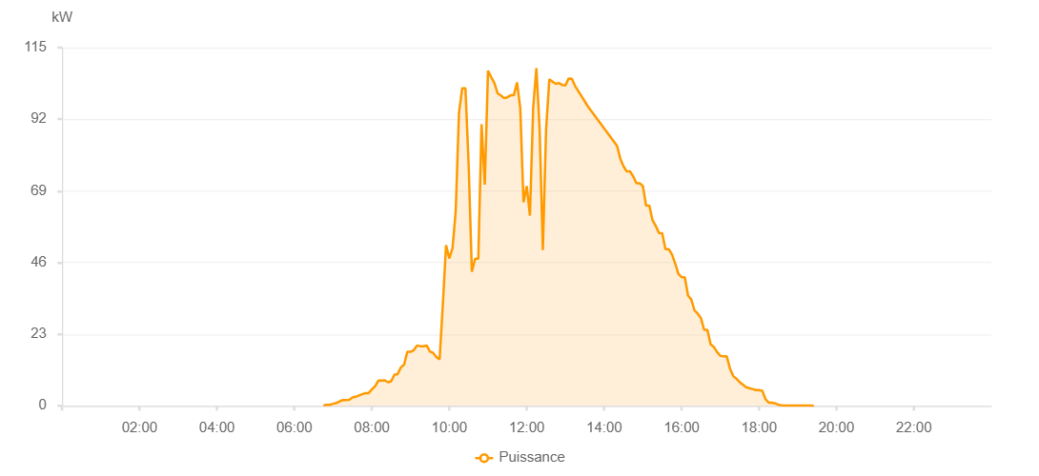

Number | Time | Working State | PV(W) | Instantaneous Radiation(W/㎡)
1 | 06:30:00 | Online | 30.00000 | 0
2 | 06:35:00 | Online | 320.00000 | 0
3 | 06:40:00 | Online | 270.00000 | 4.00000
4 | 06:45:00 | Online | 1500.00000 | 9.00000
5 | 06:50:00 | Online | 2830.00000 | 33.00000
6 | 06:55:00 | Online | 4170.00000 | 59.00000
7 | 07:00:00 | Online | 7600.00000 | 85.00000
8 | 07:05:00 | Online | 7690.00000 | 116.00000
9 | 07:10:00 | Online | 6040.00000 | 107.00000
10 | 07:15:00 | Online | 5880.00000 | 57.00000
11 | 07:20:00 | Online | 6010.00000 | 53.00000
12 | 07:25:00 | Online | 6530.00000 | 77.00000
13 | 07:30:00 | Online | 5490.00000 | 61.00000
14 | 07:35:00 | Online | 6730.00000 | 48.00000
15 | 07:40:00 | Online | 6610.00000 | 59.00000
16 | 07:45:00 | Online | 6920.00000 | 52.00000
17 | 07:50:00 | Online | 6450.00000 | 50.00000
18 | 07:55:00 | Online | 8290.00000 | 61.00000
19 | 08:00:00 | Online | 14930.00000 | 98.00000
20 | 08:05:00 | Online | 13740.00000 | 167.00000
21 | 08:10:00 | Online | 17030.00000 | 119.00000
22 | 08:15:00 | Online | 21730.00000 | 161.00000
23 | 08:20:00 | Online | 24460.00000 | 195.00000
24 | 08:25:00 | Online | 24630.00000 | 539.00000
25 | 08:30:00 | Online | 20470.00000 | 208.00000
26 | 08:35:00 | Online | 16430.00000 | 198.00000
27 | 08:40:00 | Online | 16190.00000 | 131.00000
28 | 08:45:00 | Online | 22630.00000 | 170.00000
29 | 08:50:00 | Online | 20320.00000 | 236.00000
30 | 08:55:00 | Online | 55190.00000 | 348.00000
31 | 09:00:00 | Online | 65870.00000 | 573.00000
32 | 09:05:00 | Online | 66020.00000 | 641.00000
33 | 09:10:00 | Online | 71060.00000 | 659.00000
34 | 09:15:00 | Online | 71750.00000 | 678.00000
35 | 09:20:00 | Online | 72240.00000 | 694.00000
36 | 09:25:00 | Online | 75990.00000 | 713.00000
37 | 09:30:00 | Online | 77570.00000 | 726.00000
38 | 09:35:00 | Online | 80620.00000 | 742.00000
39 | 09:40:00 | Online | 82160.00000 | 757.00000
40 | 09:45:00 | Online | 86060.00000 | 780.00000
41 | 09:50:00 | Online | 78670.00000 | 820.00000
42 | 09:55:00 | Online | 69890.00000 | 576.00000
43 | 10:00:00 | Online | 82900.00000 | 636.00000
44 | 10:05:00 | Online | 87860.00000 | 824.00000
45 | 10:10:00 | Online | 88220.00000 | 839.00000
46 | 10:15:00 | Online | 92920.00000 | 864.00000
47 | 10:20:00 | Online | 93460.00000 | 871.00000
48 | 10:25:00 | Online | 94020.00000 | 871.00000
49 | 10:30:00 | Online | 91310.00000 | 885.00000
50 | 10:35:00 | Online | 91170.00000 | 843.00000
51 | 10:40:00 | Online | 98400.00000 | 922.00000
52 | 10:45:00 | Online | 104280.00000 | 961.00000
53 | 10:50:00 | Online | 104920.00000 | 1049.00000
54 | 10:55:00 | Online | 103360.00000 | 662.00000
55 | 11:00:00 | Online | 105810.00000 | 804.00000
56 | 11:05:00 | Online | 107050.00000 | 996.00000
57 | 11:10:00 | Online | 101770.00000 | 996.00000
58 | 11:15:00 | Online | 104290.00000 | 915.00000
59 | 11:20:00 | Online | 101410.00000 | 973.00000
60 | 11:25:00 | Online | 100770.00000 | 960.00000
61 | 11:30:00 | Online | 100770.00000 | 957.00000
62 | 11:35:00 | Online | 101320.00000 | 957.00000
63 | 11:40:00 | Online | 100860.00000 | 956.00000
64 | 11:45:00 | Online | 101940.00000 | 958.00000
65 | 11:50:00 | Online | 102360.00000 | 962.00000
66 | 11:55:00 | Online | 103150.00000 | 964.00000
67 | 12:00:00 | Online | 103230.00000 | 980.00000
68 | 12:05:00 | Online | 106690.00000 | 988.00000
69 | 12:10:00 | Online | 106690.00000 | 1025.00000
70 | 12:15:00 | Fault | 53530.00000 | 1025.00000
71 | 12:40:00 | Online | 0.00001 | 0.00001

